mortality census
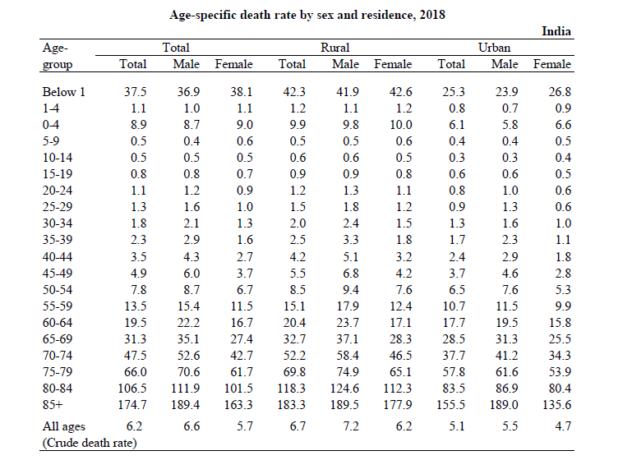

 | per 1000 population
 | Female dealth rates
Age | Deaths in 2018
0-4' | 9
5 to 9 | 0.6
10 to 14 | 0.5
15 to 19 | 0.7
20 to 24 | 0.9
25 to 29 | 1
30 to 34 | 1.3
35 to 39 | 1.6
40 to 44 | 2.7
45 to 49 | 3.7
50 to 54 | 6.7
55 to 59 | 11.5
60 to 64 | 16.7
65 to 69 | 27.4
70 to 74 | 42.7
75 to 79 | 61.7
80 to 84 | 101.5
85 + | 163.3

HPV prevalance by age
Basu 2013
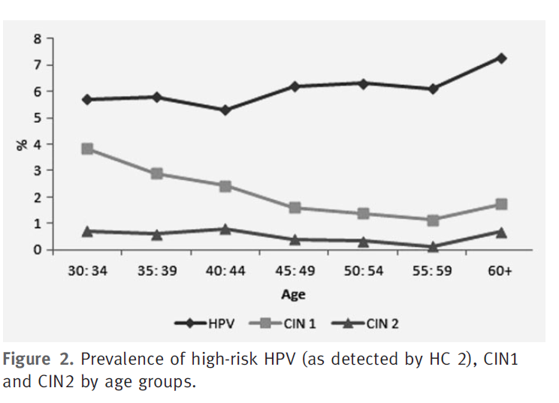

 | HC 2, which detects 13 carcinogenic HPV types (HPV
 | 16, 18, 31, 33, 35, 39, 45, 51, 52, 56, 58, 59 and 68).
 |  |  |  |  |  |  |  |  |  |  |  | Sankar | 13 high-risk HPV types (16, 18, 31, 33, 35, 39,
 |  |  |  |  |  |  |  |  |  |  |  |  | 45, 51, 52, 56, 58, 59, and 68)
 |  |  |  |  |  |  |  |  |  |  |  | Muwongo
 |  | 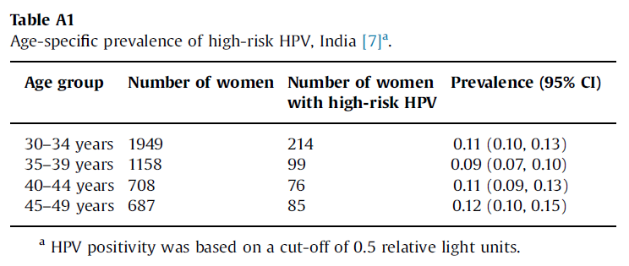 |  |  |  |  |  |  |  |  |  | c HPV 31,33 and 44 d HPV types 26, 35, 39, 51, 52, 53, 56, 58, 59, 66, 68, 70, 73 and/or 82. e HPV types 6, 11, 16, 18, 26, 31, 33, 35, 39, 45, 51, 52, 53, 56, 58, 59, 66, 68, 70, 73 and/or 82.

 |  |  |  |  |  |  |  |  |  |  |  | Campos
 |  |  |  |  |  |  |  |  |  |  |  | HPV types 16, 18, 31, 33, 35, 39, 45, 51, 52, 56, 58, ,59, 66 and 68. A volume of 50μl of
 |  |  |  |  |  |  |  |  |  |  |  | specimen is needed to perform the assay. This type of assay requires additional laboratory
 |  |  |  |  |  |  |  |  |  |  |  | equipment and can be performed in laboratories with limited facilities.

 |  |  | Percentages of Prevalance
 |  |  |  |  | HPV16 | HPV18 | HPV16-18 | other high riskc | Other potential high riskd | Low risk | High risk all | all HPVe
 |  |  | Muwongo 2020 | 18-23 | 6.5 | 3.4 | 9.3 | 9.8 | 26 |  |  | 36.4 | pooled over time?

 |  |  | India - Hyderabad, Campos 2015
 |  |  |  | 30-34 |  |  |  |  |  |  | 11.0
 |  |  |  | 35-39 |  |  |  |  |  |  | 8.5
 |  |  |  | 40-44 |  |  |  |  |  |  | 10.7 |  |  | Franceschi 2005
 |  |  |  | 45-49 |  |  |  |  |  |  | 12.4 |  |  | HPV positivity was assessed by
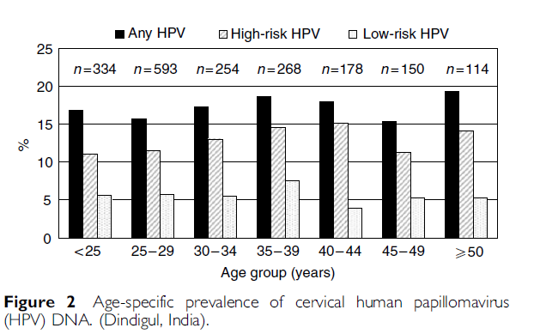
 |  |  |  |  |  |  |  |  |  |  |  |  |  | general primer-mediated GP5þ/GP6þ-PCR and by hybridisation
 |  |  | Basu | 30-34 |  |  |  |  |  |  | 5.7 |  |  | of PCR products in an enzyme immunoassay (EIA) using two HPV
 |  |  |  | 35-39 |  |  |  |  |  |  | 5.9 |  |  | oligoprobe cocktails that, together, detect the following 44 HPV
 |  |  |  | 40-44 |  |  |  |  |  |  | 5.4 |  |  | types: HPV 6, 11, 16, 18, 26, 30, 31, 32, 33, 34, 35, 39, 40, 42, 43, 44,
Sankar 2009, NEJM |  |  |  | 45-49 |  |  |  |  |  |  | 6.2 |  |  | 45, 51, 52, 53, 54, 55, 56, 57, 58, 59, 61, 64, 66, 67, 68, 69, 70, 71
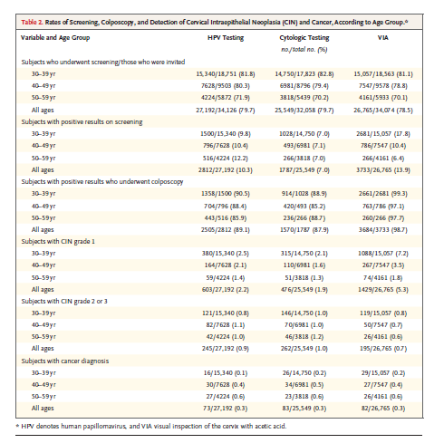
 |  |  |  | 50-54 |  |  |  |  |  |  | 6.1 |  |  | (equivalent to CP8061), 72, 73, 81 (equivalent to CP8304), 82
 |  |  |  | 55-59 |  |  |  |  |  |  | 6 |  |  | (IS39 and MM4 subtypes), 83 (equivalent to MM7), 84 (equivalent
 |  |  |  | 60+ |  |  |  |  |  |  | 7.2 |  |  | to MM8), cand85, 86, cand89 (equivalent to CP6108) and
 |  |  |  |  |  |  |  |  |  |  |  |  |  | JC9710. PCR products that were positive in the EIA were
 |  |  | Sankar | 30-39 |  |  |  |  |  |  | 9.8 |  |  | subsequently subjected to further typing by reverse line blot
 |  |  | Sauvaget 2011 | 40-49 |  |  |  |  |  |  | 10.4 |  |  | hybridisation, as described previously (van den Brule et al,
 |  |  |  | 50-59 |  |  |  |  |  |  | 12.2 |  |  | 2002).
 |  |  |  |  |  |  |  |  |  |  |  |  |  | High-risk HPV types for this analysis included HPV 16, 18, 26,
 |  |  | Franceschi 2005 | <25 | 4.4 | 0.5 |  | 6.1 |  | 5.5 | 11 | 16.8 |  | 31, 33, 35, 39, 45, 51, 52, 53, 56, 58, 59, 66, 68, 73 and 82 (Mun˜oz
 |  |  |  | 25-29 | 3.8 | 1.0 |  | 7.2 |  | 5.5 | 12 | 15.5 |  | et al, 2003). The group of low-risk types included all other HPV
 |  |  |  | 30-34 |  |  |  | 13.5 |  | 5.2 | 13.5 | 17.1 |  | types.
 |  |  |  | 35-39 |  |  |  | 14.5 |  | 7.5 | 14.5 | 18
 |  |  |  | 40-44 |  |  |  | 15 |  | 4 | 15 | 17.4
 |  |  |  | 45-49 |  |  |  | 11.5 |  | 5.1 | 11.5 | 15.2
 |  |  |  | >50 |  |  |  | 14 |  | 5.1 | 14 | 19.0

 |  |  |  | Datta 2010
 |  |  |  | 16-24 | 3.0769230769 | 0.53846153846 |  | 5.5846153846 |  | 2 | 11.2

 |  |  |  | Srivatasava 2012
 |  |  |  | <25 | 5.6603773585
 |  |  |  | 26-35 | 5.5469953775
 |  |  |  | 36-45 | 9.6385542169
 |  |  |  | >46 | 12.844036697

 |  |  |  |  |  |  |  |  |  |  |  |  |  | Battacharya, 2018

 |  |  |  | Final distribution
 |  |  |  |  | HPV16 | HPV18 | HPV16-18 | Other high risk | Other potential high riskd | Low risk | High risk all | All HPV
 |  |  |  | <25 | 3.78 | 0.99 |  | 6.53 |  | 5.50 | 11 | 16.80
 |  |  |  | 25-29 | 3.49 | 0.91 |  | 5.60 |  | 5.50 | 12 | 15.50
 |  |  |  | 30-34 | 3.85 | 1.01 |  | 7.04 |  | 5.20 | 13.5 | 17.10
 |  |  |  | 35-39 | 4.05 | 1.06 |  | 5.39 |  | 7.50 | 14.5 | 18.00
 |  |  |  | 40-44 | 3.91 | 1.03 |  | 8.46 |  | 4.00 | 15 | 17.40
 |  |  |  | 45-49 | 3.42 | 0.90 |  | 5.78 |  | 5.10 | 11.5 | 15.20
 |  |  |  | 50-59 | 4.16 | 1.09 |  | 8.15 |  | 5.10 | 13.5 | 18.50
 |  |  |  | >60 | 4.16 | 1.09 |  | 8.15 |  | 5.10 | 13.5 | 18.50

 |  |  |  |  | Distribition based on Franceschi proportion of HPV16/18 compared to all HPV
 |  |  |  |  | 16.9 average
 |  |  |  | 3.9 | 22.5% HPV 16
 |  |  |  | 1 | 5.9 % HPV 18

CIN prevalance by age
CIN | Basu 2013

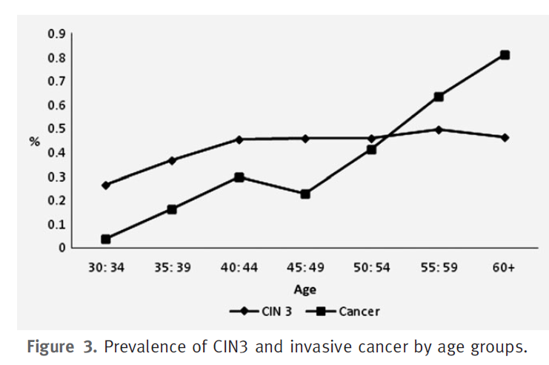

 |  |  |  | CIN2/3 distribution

 |  |  | CIN2 | CIN3 | Total
 |  | 30-34 | 0.65 | 0.25 | 0.9
 |  | 35-39 | 0.55 | 0.37 | 0.92
 |  | 40-44 | 0.7 | 0.45 | 1.15
 |  | 45-49 | 0.6 | 0.45 | 1.05
 |  | 50-54 | 0.4 | 0.46 | 0.86
 |  | 55-59 | 0.5 | 0.48 | 0.98
 |  | 60+ | 0.8 | 0.43 | 1.23

CIN by HPV type
Negi 2020

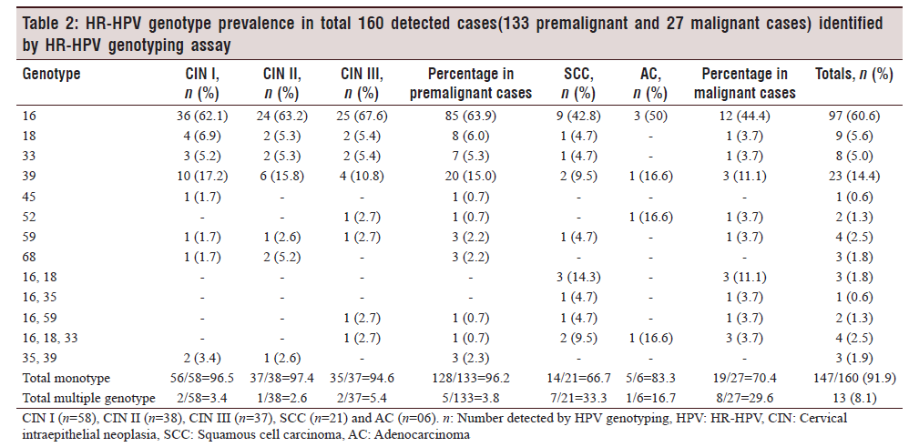

 |  | CIN2/3 |  |  | CIN2/3 distribution
 | HPV 16 | 65
 | HPV 18 | 5 |  | CIN2 | CIN3 | Total | 16 | 18 | Other
 | High risk | 30 | 30-34 | 0.65 | 0.25 | 0.9 | 0.585 | 0.045 | 0.27
 |  |  | 35-39 | 0.55 | 0.37 | 0.92 | 0.598 | 0.046 | 0.276
 |  |  | 40-44 | 0.7 | 0.45 | 1.15 | 0.7475 | 0.0575 | 0.345
 |  |  | 45-49 | 0.6 | 0.45 | 1.05 | 0.6825 | 0.0525 | 0.315
 |  |  | 50-54 | 0.4 | 0.46 | 0.86 | 0.559 | 0.043 | 0.258
 |  |  | 55-59 | 0.5 | 0.48 | 0.98 | 0.637 | 0.049 | 0.294
 |  |  | 60+ | 0.8 | 0.43 | 1.23 | 0.7995 | 0.0615 | 0.369

cancer incidence by age group
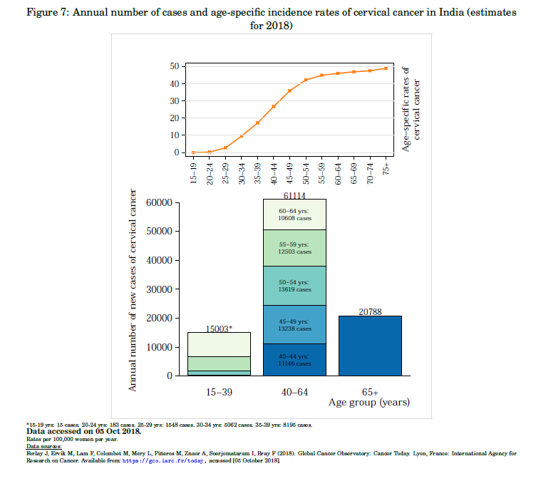

Cancer incidence
Overall cancer in 5 continents all Indian registries
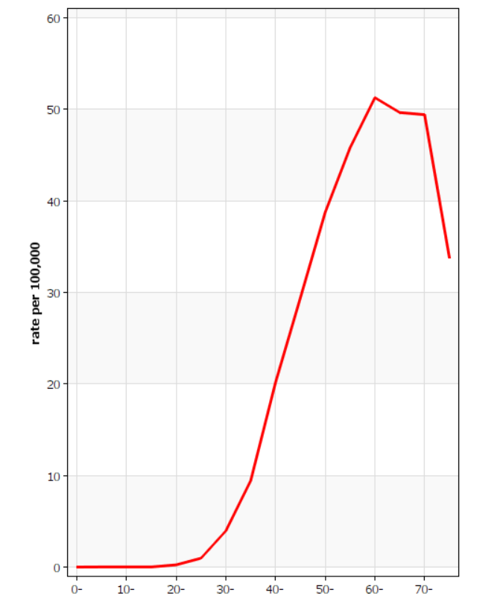
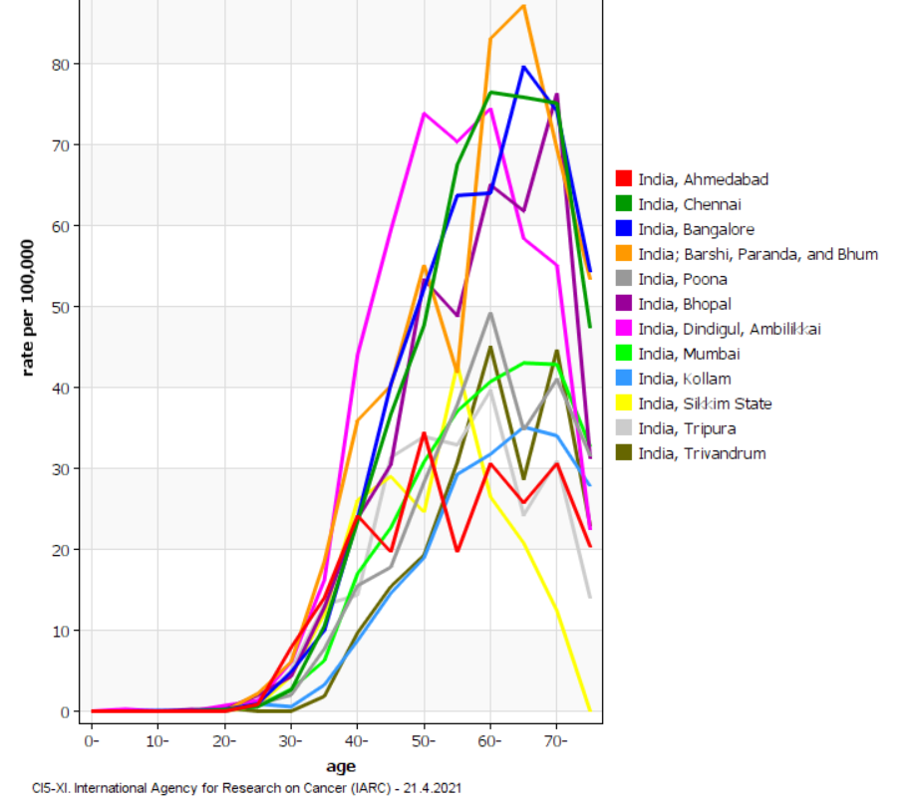

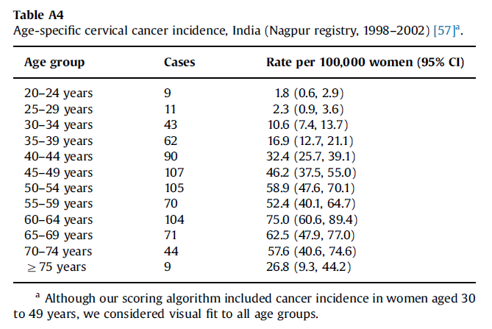

 | Cervical cancer incidence, Dindigul & Chennai, rate per 100.000
 |  | Dindigul | Chennai | Average

 | 20-29 | 2.5 | 1.5 | 2
 | 30-39 | 18 | 12 | 15
 | 40-49 | 55 | 35 | 45
 | 50-59 | 70 | 60 | 65
 | 60-69 | 65 | 75 | 70
 | 70+ | 25 | 47 | 36

